Sheet1
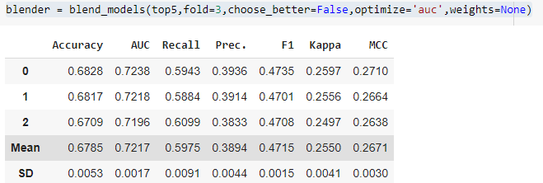
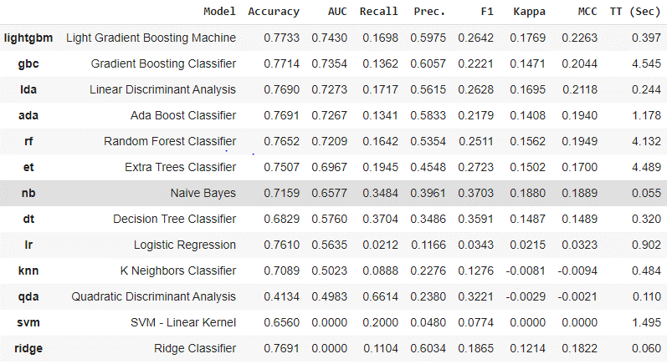
Run1 | sel_col=['ID', |  | categorical_features=['Health Indicator', 'Holding_Policy_Type','Reco_Policy_Cat']
 | 'City_Code_te', 'Region_Code_te',
 | 'Accomodation_Type','Reco_Insurance_Type', 'Is_Spouse','Is_Holding_Policy',
 | 'Health Indicator', 'Holding_Policy_Type','Reco_Policy_Cat', 'Holding_Policy_Duration',
 | 'Upper_Age', 'Lower_Age', 'mean_age','Reco_Policy_Premium',
 | 'Response']

 |  | te_cols=['City_Code','Region_Code']

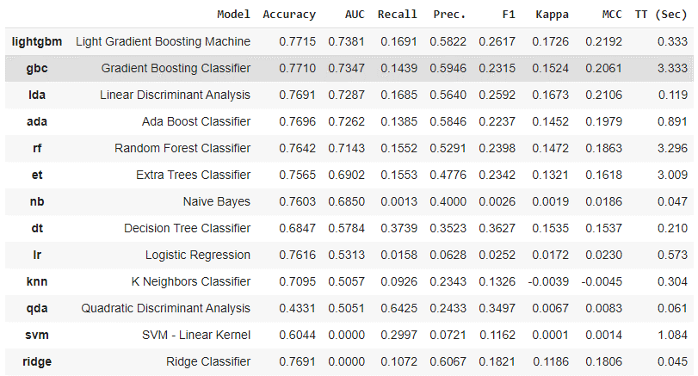
Run2 |  | sel_col=['ID', |  | categorical_features=['Health Indicator', 'Holding_Policy_Type']
 |  | 'City_Code_te', 'Region_Code_te','Reco_Policy_Cat_te',
 |  | 'Accomodation_Type','Reco_Insurance_Type', 'Is_Spouse','Is_Holding_Policy',
 |  | 'Health Indicator', 'Holding_Policy_Type', 'Holding_Policy_Duration',
 |  | 'mean_age','Reco_Policy_Premium',
 |  | 'Response']
 |  | te_cols=['City_Code','Region_Code','Reco_Policy_Cat']

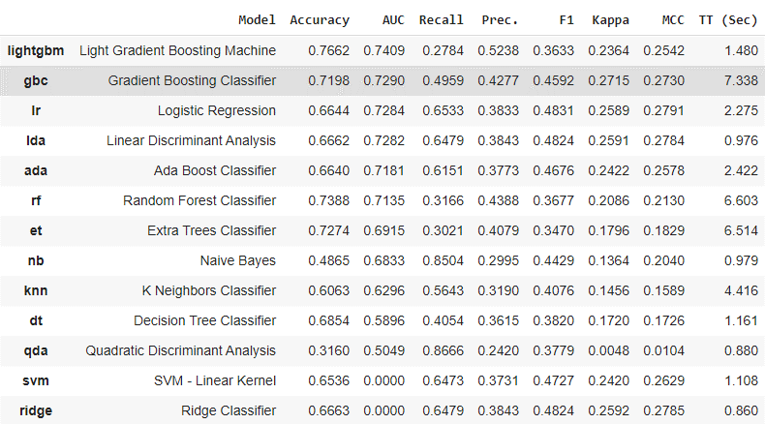
Run3 |  | sel_col=['ID', |  | categorical_features=['Health Indicator', 'Holding_Policy_Type']
 |  | 'City_Code_te', 'Region_Code_te','Reco_Policy_Cat_te',
 |  | 'Accomodation_Type','Reco_Insurance_Type', 'Is_Spouse','Is_Holding_Policy',
 |  | 'Health Indicator', 'Holding_Policy_Type', 'Holding_Policy_Duration',
 |  | 'mean_age','Reco_Policy_Premium',
 |  | 'Response']
 |  | te_cols=['City_Code','Region_Code','Reco_Policy_Cat']

 |  | normalize=True,fix_imbalance=True,

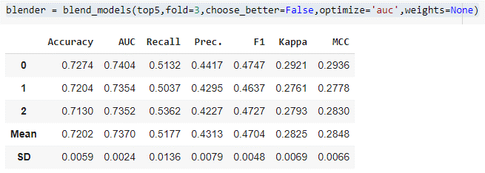

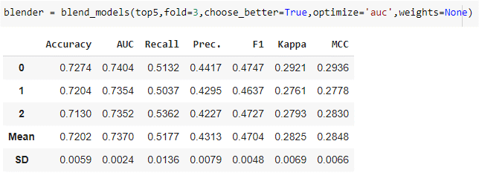

Run4 |  | sel_col=['ID', |  | categorical_features=['Health Indicator', 'Holding_Policy_Type']
 |  | 'City_Code_te', 'Region_Code_te','Reco_Policy_Cat_te',
 |  | 'Accomodation_Type','Reco_Insurance_Type', 'Is_Spouse','Is_Holding_Policy',
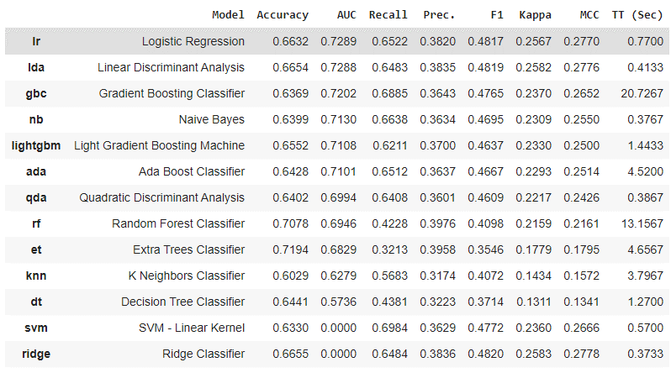
 |  | 'Health Indicator', 'Holding_Policy_Type', 'Holding_Policy_Duration',
 |  | 'mean_age','Reco_Policy_Premium',
 |  | 'Response']
 |  | te_cols=['City_Code','Region_Code','Reco_Policy_Cat']

 |  | normalize=True,fix_imbalance=True,
 |  | pca=True,remove_multicollinearity=True,multicollinearity_threshold=0.9

